Sheet1
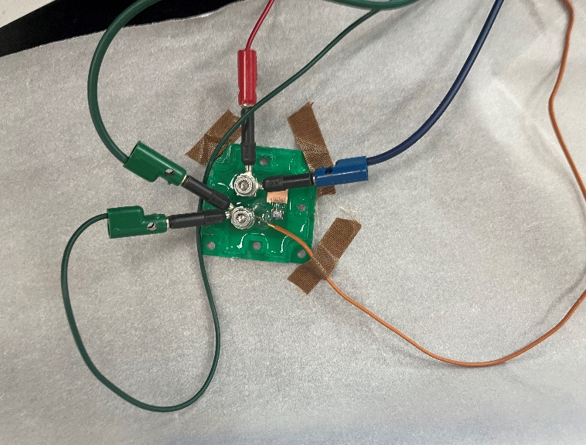
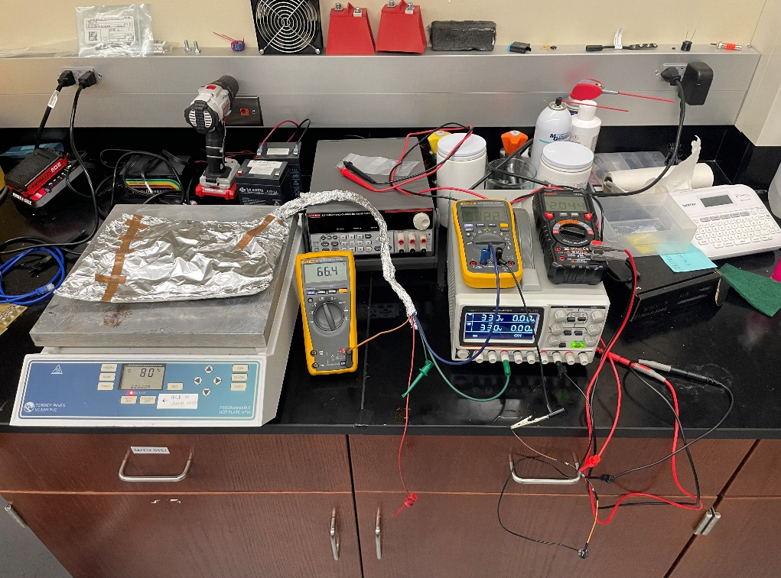
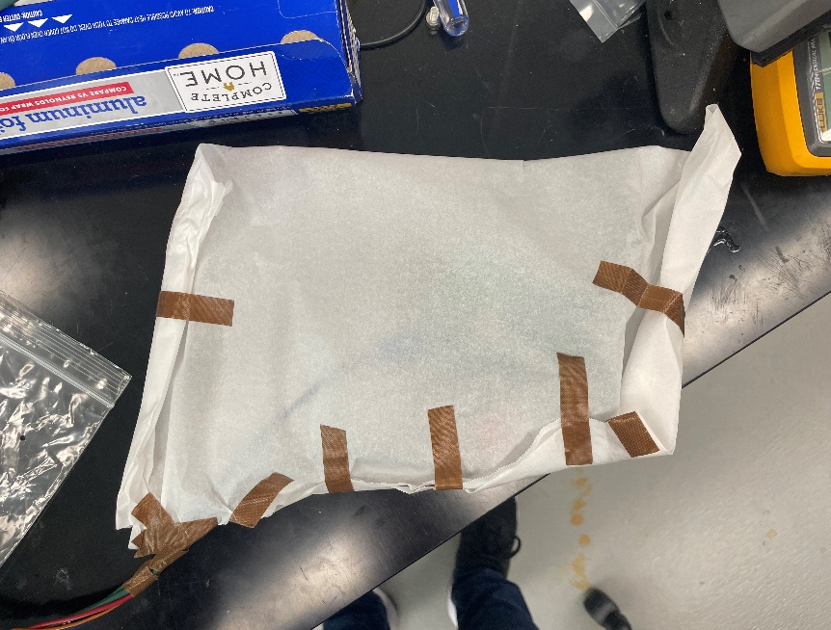
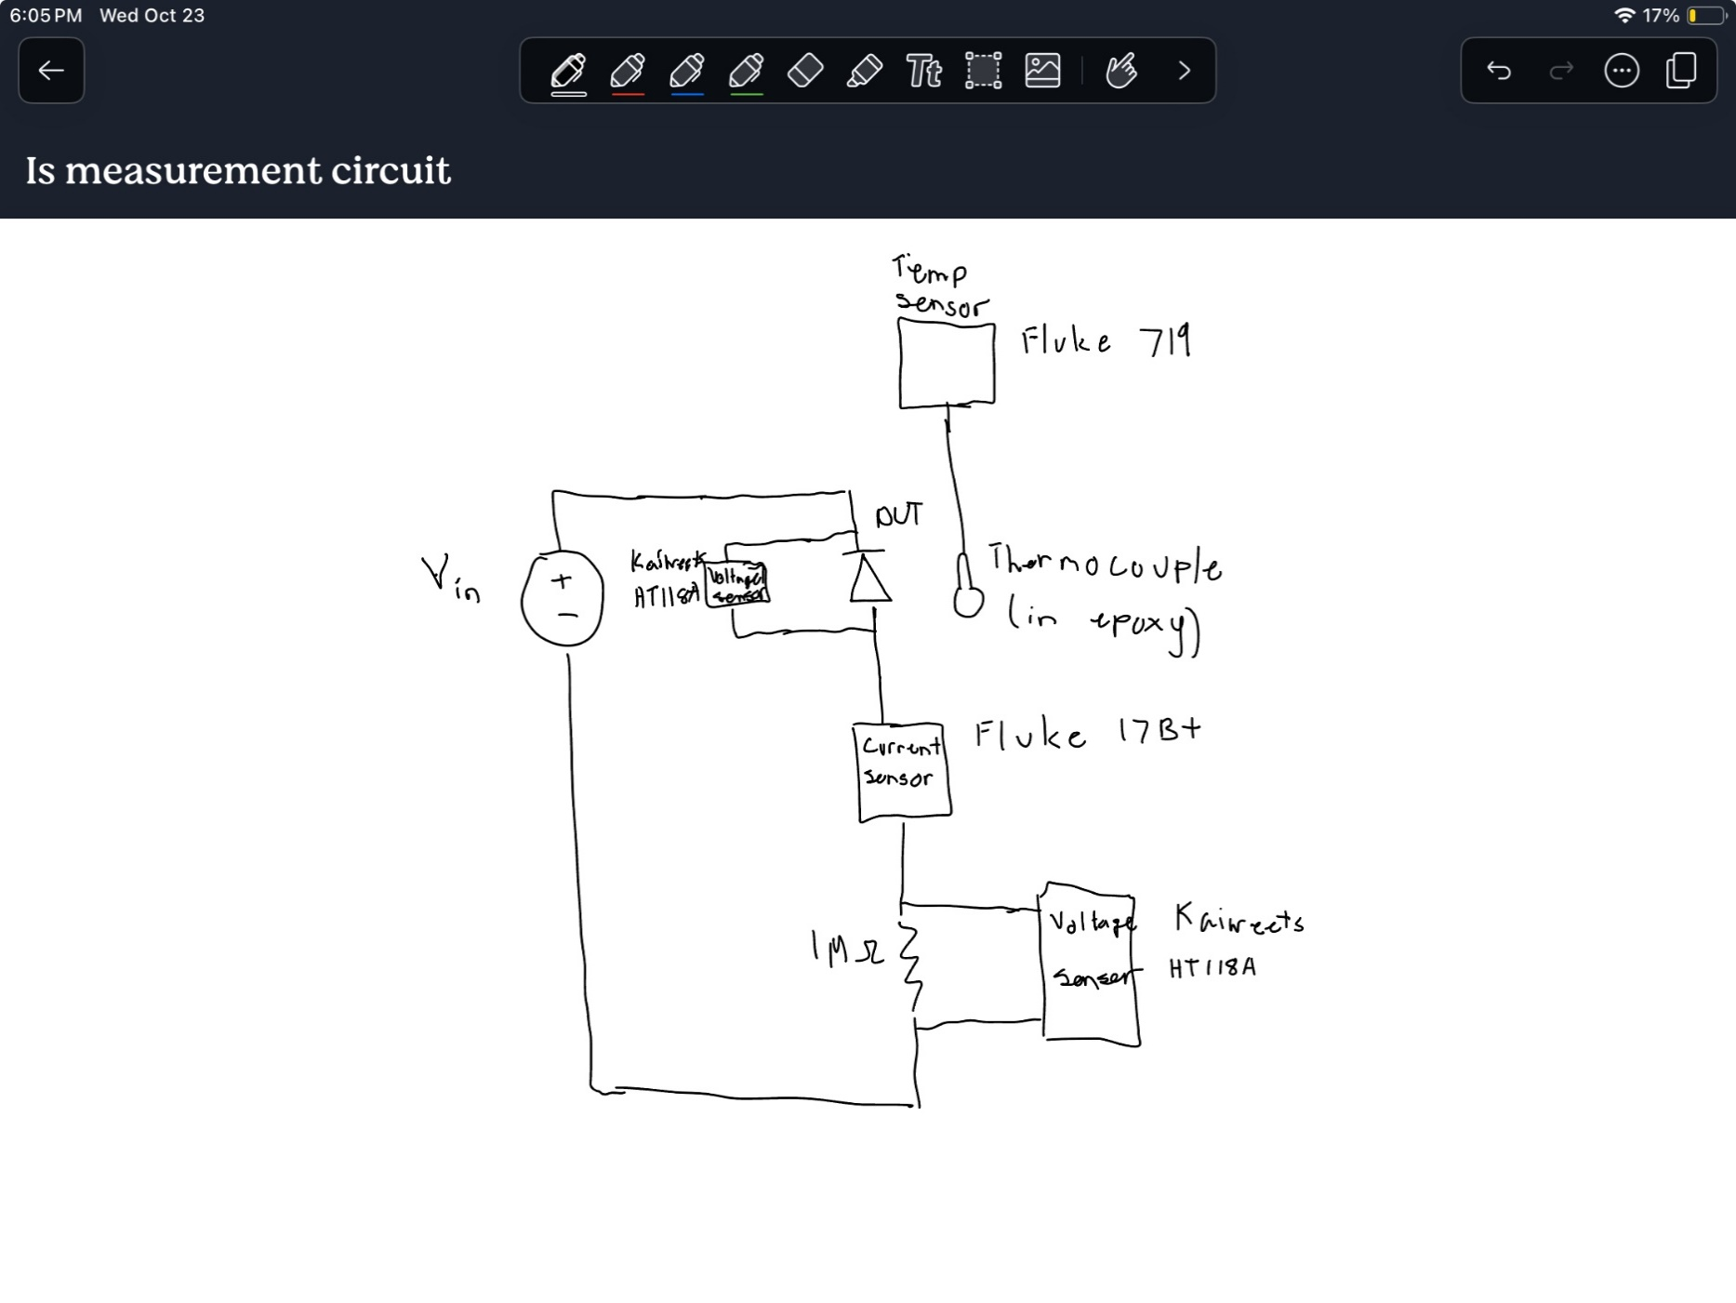

Reverse Voltage (V) | Reverse Current (uA) | Temperature (degC) | Temperature (K) | Reverse Voltage (V) | Reverse Current (uA) | Temperature (degC) | Temperature (K) | Reverse Voltage (V) | Reverse Current (uA) | Temperature (degC) | Temperature (K)
65.8 | 14.7 | 93 | 366.15 | 30.28 | 12.1 | 93.5 | 366.65 | 10.15 | 7.9 | 93.6 | 366.75
65.8 | 14.9 | 93.2 | 366.35 | 30.02 | 17.8 | 98.9 | 372.05 | 9.97 | 11.9 | 99 | 372.15
65.8 | 21.9 | 98.6 | 371.75 | 29.92 | 28 | 105.4 | 378.55 | 9.72 | 19.2 | 105.5 | 378.65
65.8 | 23.8 | 99.7 | 372.85 | 29.98 | 48.4 | 113.3 | 386.45 | 9.92 | 63.6 | 121.9 | 395.05
65.8 | 34.4 | 105.2 | 378.35 | 30.01 | 83.6 | 121.7 | 394.85 | 10.04 | 143.5 | 134.2 | 407.35
65.8 | 38.5 | 107.1 | 380.25 | 30 | 181.3 | 134.2 | 407.35 |  |  |  | 273.15
65.8 | 57.8 | 112.9 | 386.05 |  |  |  | 273.15 |  |  |  | 273.15
65.8 | 65.2 | 115 | 388.15 |  |  |  | 273.15 |  |  |  | 273.15
65.8 | 99.2 | 121.4 | 394.55 |  |  |  | 273.15 |  |  |  | 273.15
65.8 | 114.2 | 123.8 | 396.95 |  |  |  | 273.15 |  |  |  | 273.15
65.8 | 214 | 134.2 | 407.35 |  |  |  | 273.15 |  |  |  | 273.15
65.8 | 216.3 | 134.4 | 407.55 |  |  |  | 273.15 |  |  |  | 273.15

Is vs Temperature
 | 65.8V |  | 30V |  | 10V
366.15 | 14.7 | 366.65 | 12.1 | 366.75 | 7.9
366.35 | 14.9 | 372.05 | 17.8 | 372.15 | 11.9
371.75 | 21.9 | 378.55 | 28 | 378.65 | 19.2
372.85 | 23.8 | 386.45 | 48.4 | 395.05 | 63.6
378.35 | 34.4 | 394.85 | 83.6 | 407.35 | 143.5
380.25 | 38.5 | 407.35 | 181.3 | 273.15
386.05 | 57.8 | 273.15 |  | 273.15
388.15 | 65.2 | 273.15 |  | 273.15
394.55 | 99.2 | 273.15 |  | 273.15
396.95 | 114.2 | 273.15 |  | 273.15
407.35 | 214 | 273.15 |  | 273.15
407.55 | 216.3 | 273.15 |  | 273.15

